Levels of education
ISCED levels of education compared to Slovenian 9 - years period of PRIMARY SCHOOLING EDUCATION after what you get certificate of primary education completed.
https://iqa.international/isced-levels/

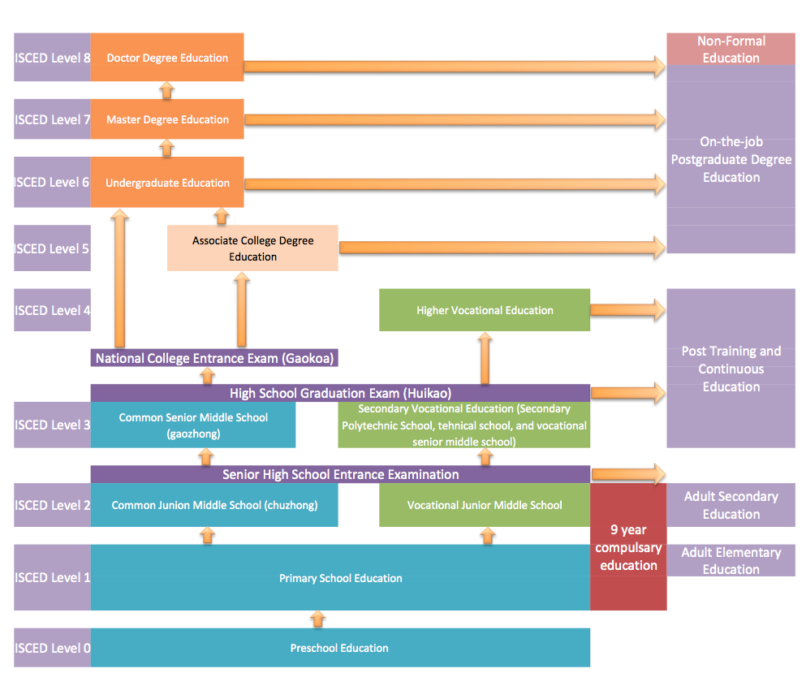

 |  |  |  |  |  | The ministry responsible exclusively for public education oversees both directorates through its state secretaries: one responsible for secondary and higher education and adult education, and another responsible for preschool education, primary and music education, as well as education for children and adolescents with special needs. This centralized structure effectively covers the entire publicly funded education system. As a result of this monopolized governance, children from the private or alternative education sector are practically unable to transition into public schools, even if they wish to do so. In reality, this creates a structural blockade rather than a genuine choice between systems. Public primary schools are guaranteed budgets based on predetermined student numbers, which removes any incentive for flexibility or integration and simultaneously prevents the meaningful development of private education. This budgetary and administrative setup reinforces the dominance of the public system, while the state behaves as though it assumes custodianship over the child from the age of six. Within this framework, the child is implicitly positioned as indebted to the state, rather than recognized as an individual rights-holder with educational autonomy. Consequently, education becomes a mechanism of institutional control rather than a pluralistic system designed to serve the diverse needs and abilities of children.
 |  | Public primary schooling education curriculum by year – 9 years
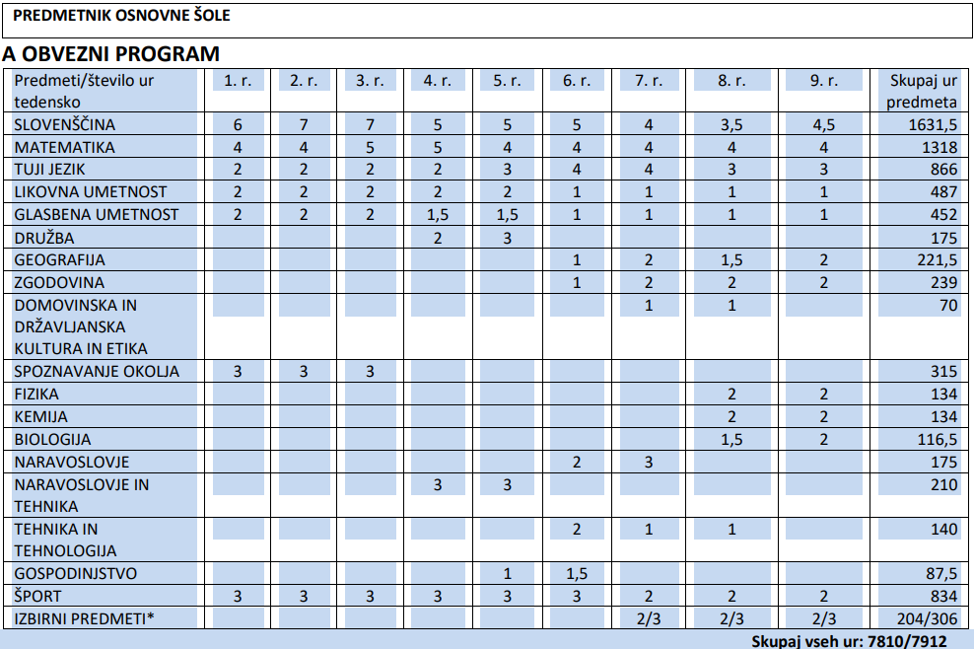

 |  |  | PUBLIC PRIMARY SCHOOLING EDUCATION
 |  |  | Primary | Lower Secondary | Upper Secondary
 |  |  | Osnovno | Nižje Sekundarno | Višje Sekundarno
 |  |  | 6-8 years old | 9-11 years old | 12-14 years old

 |  |  |  |  | At present, children are officially recorded as dropping out of primary education. However, this is misleading. Under a correct and coherent definition of education stages, these children are in fact dropping out during the middle education period, not from primary education itself. The current classification obscures where exclusion actually occurs and masks structural problems within the transitional phase of education.

 | After completing public primary schooling, children receive public certificate confirming the completion of their primary education (qualification).

 | Primary education is defined as Level 1, while Level 2 is subject-oriented. Under this approach, a child is required to reach Level 2, and failure to do so implies that the child is considered less capable or less valuable. The child is expected to repeat the same level until it is mastered, regardless of individual abilities, learning pace, or circumstances. In practice, this creates a rigid system in which progression is mandatory rather than supportive, and where repetition becomes a measure of compliance rather than meaningful learning. Children who do not follow the state-funded public school pathway face systemic exclusion. They do not have the right to enter general secondary education (gymnasium), even if they are capable. The state does not offer alternative solutions, such as authorized field educators or commissioners who could work with the student on the gymnasium curriculum, approve completion of the third and fourth years, and allow access to the final examination (matura) and subsequent university enrolment. Additionally, these children face serious administrative and social barriers. Without official enrolment in public schools, they often cannot obtain student status required for legal student employment. Children educated in the private sector are also excluded from national academic competitions organized by the state, such as mathematics or physics competitions, despite having comparable or even higher competencies. Additionally, these children face serious administrative and social barriers. Without official enrolment in public schools, they often cannot obtain student status required for legal student employment. Children educated in the private sector are also excluded from national academic competitions organized by the state, such as mathematics or physics competitions, despite having comparable or even higher competencies. A key structural issue lies in the definition of primary education. In practice, primary school education is

